report dynamic dashbord
DMART 2023 ONLINE SHOPPING DATA REPORT GRAPHICALLY REPRESENTATION
 | Sum of Amount | Sum of Cust ID
Men | 2471 | 13065768
women | 507 | 4675134
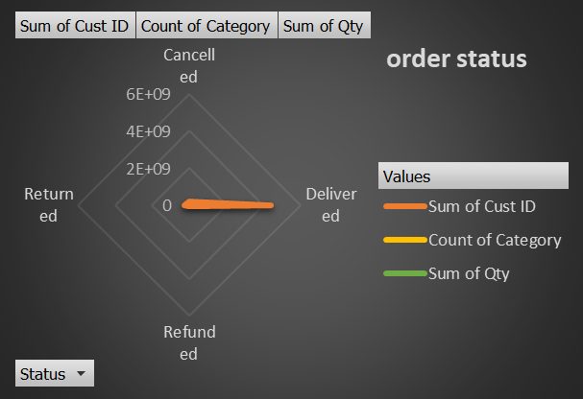
age vs xener wise data report
 | Sum of Age | Count of Order ID
Men | 253 | 80.00%
women | 58 | 20.00%

 |  | men vs women order amount |  |  | order status report | age& age bucket wise and xender wise data report

 |  |  | MEN VS WOMEN DATA REPORT
 |  |  |  |  |  |  | ORDER STATUS REPORT DATA |  | AGE & AGE BUCKET WISE AND XENDER WISE DATA REPORT
top 5 states data total gross amount of order
 | Sum of Amount | Count of ship-country
ANDHRA PRADESH | 525 | 1
CHHATTISGARH | 788 | 1
KARNATAKA | 525 | 1
TAMIL NADU | 633 | 1
TELANGANA | 507 | 1
most contibuted company oreder wise data
 | Count of Order ID | Sum of Cust ID | Count of SKU | Count of B2B
Meesho | 100.00% | 17740902 | 5 | 5
 | Count of Order ID | Sum of Amount | Sum of Qty
Dec | 5 | 2978 | 5

 | month wise order and amount data
 |  |  |  |  | top 5 states order report data
 |  |  |  |  |  |  | most contributed company data

 |  |  | MONTH WIISE ORDER A ND | AMOUNT DATA
 |  |  |  |  |  |  |  | TOP 5 STATES ORDER REPORT DATA | MOST CONTRIBUTED COMPANY ORDER DATA REPORTS

sales vs order
Row Labels | Sum of Amount | Sum of Cust ID
Men | 2471 | 13065768
women | 507 | 4675134

 |  |  | question no.1) sales or order in one chart represent .
 |  |  |  | amount nu sum joye chhe | sum joye chhe
 |  |  |  | orde nu count joye chhe
 |  |  | 1) | a both of data men vs women orde base par joye chhe

 | men vs order grand sum of amount

oerder vs amount
Row Labels | Count of Order ID | Sum of Amount | Sum of Qty
Dec | 5 | 2978 | 5
Grand Total | 5 | 2978 | 5

 |  | order vs month data rewpreent on pie chart
 |  | month data
 |  | order id
 | s | sum of total amount
 |  | sum of quantity
 |  | both of the data represent whenver compare this data

order data status report
Row Labels | Sum of Cust ID | Count of Category | Sum of Qty
Delivered | 17740902 | 5 | 5
Grand Total | 17740902 | 5 | 5

order status

 |  |  |  | order status data quesation number 3 .

 |  |  |  |  | order status
 |  |  |  |  | status | can
 |  |  |  |  | order id count
 |  |  |  |  | patern
 |  |  |  |  | both of value nu comparision represent on pie chaert
 |  |  |  |  | compare karvani chhe

top10 states order data staus
Row Labels | Sum of Amount | Count of ship-country
ANDHRA PRADESH | 525 | 1
CHHATTISGARH | 788 | 1
KARNATAKA | 525 | 1
TAMIL NADU | 633 | 1
TELANGANA | 507 | 1
Grand Total | 2978 | 5

 |  |  | questioin 4
 |  |  | top 10 state order contribute je dynmically represent karvu padese karnke month wise different different data jova made chhe
 |  |  | requirement of data
 |  |  | states
 |  |  | ammonut

top 5 states data total gross amount of order

order age group and xenderdata
Row Labels | Sum of Age | Count of Order ID
old | 311 | 100.00%
Men | 253 | 80.00%
women | 58 | 20.00%
Grand Total | 311 | 100.00%

 |  | age vs age group order wise data
 |  | requirement of this question showled data
 |  | age group
 |  | xender
 |  | count off order id
age vs xener wise data report

contribute order comparsion dat
Row Labels | Count of Order ID | Sum of Cust ID | Count of SKU | Count of B2B
Meesho | 100.00% | 17740902 | 5 | 5
Grand Total | 100.00% | 17740902 | 5 | 5

most contibuted company oreder wise data

 | question | which channel better than contribute order
 |  | requirement
 |  | chennal
 |  | order id count
 |  | top 10 sku data
 |  | b2b
 |  | company name

